Sheet1
Law of Cosines
Ref. | http://www.engineeringtoolbox.com/law-cosines-d_1857.html
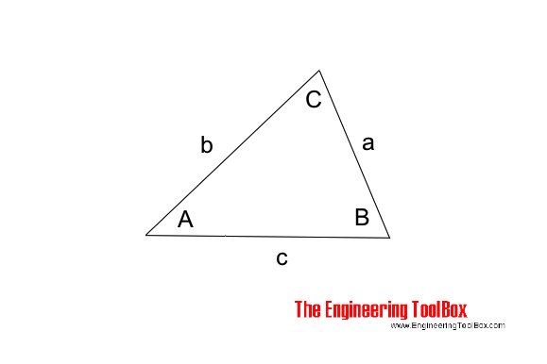

a | 1 |  | red = input
b | 1
C | 0 | 20 | 30 | 60 | 80 | 100 | 120 | 140 | 160 | 180
c | 0.00 | 0.35 | 0.52 | 1.00 | 1.29 | 1.53 | 1.73 | 1.88 | 1.97 | 2.00
area | 0.00 | 0.17 | 0.25 | 0.43 | 0.49 | 0.49 | 0.43 | 0.32 | 0.17 | 0.00
A | #DIV/0! | 80.00 | 75.00 | 60.00 | 50.00 | 40.00 | 30.00 | 20.00 | 10.00 | 0.00
B | #DIV/0! | 80.00 | 75.00 | 60.00 | 50.00 | 40.00 | 30.00 | 20.00 | 10.00 | 0.00

